Data Planning
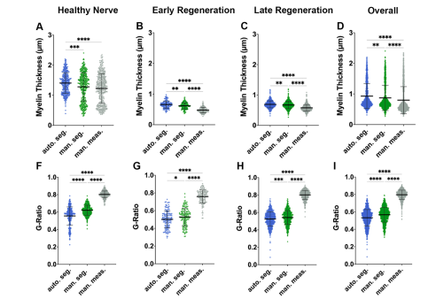
Time Points | Nerve Types | N
Healthy/Control | Controls | 8
Uncut | Axoguard + Suture | 8
Early (4w) | Axoguard + Suture | 8
Late (16w) | Axoguard + Suture | 8
 |  | N=32
Data Points
Nerve Area
Analyzed Area
Total Axon Count
Average G-Ratio
Axon Diameter (inner axon vs. full nerve?)

Plots |  | Type
Axon Counts | Healthy v. uncut (1m) v. Early v. late
G-Ratios | Healthy v. uncut (1m) v. Early v. late

Goals
1. Axon Count Comparison between softwares AND times - averages
2. G-Ratio comparision between softwares AND times - averages
3. Axon Diameter comparision between softwares AND times - averages + distribution

